03
3 | CHAPTER 1
 | Fill in the missing information by determining the amounts represented by letters a - d.

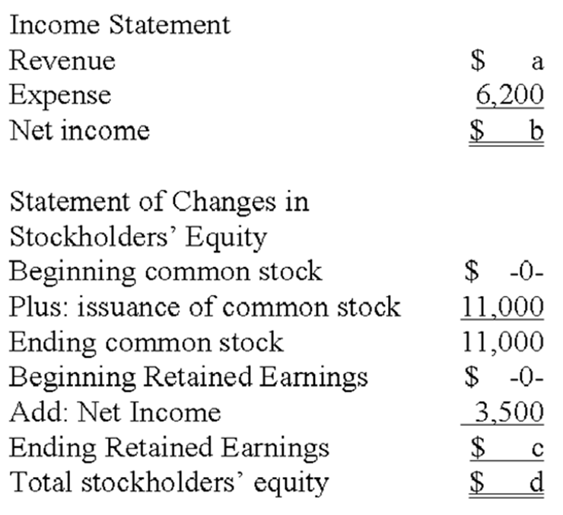

 | ANSWER BELOW:

 | a
 | b
 | c
 | d

05
5 | Chapter 3

Jerry Mathers started his business by issuing $4,000 of common stock on January 1, 2017. Jerry performed $8,500 of service on account in 2017, and he collected $6,200 of this amount by year end. He paid operating expenses of $6,900 and paid a $900 dividend to the stockholders.
Required:
a) What is the amount of total assets at the end of 2017?
b) What is the amount of cash on hand at the end of 2017?
c) What is net income for 2017?

 | ANSWER BELOW:
 | (If you do not show how you get your answer , you will receive only up to 30% of the credit)

07
7 | Chapter 5
One of your friends is preparing to open a store that will sell clothing and fashionable accessories. When you heard that the business would have three or four employees, you told your friend that she would need to pay careful attention to separation of duties. She has asked you to explain what duties should be separated and why separation of duties is important in a business. Write a note to your friend explaining these issues.

 | ANSWER BELOW:

09
9 | Chapter 6
Fairleigh Company sells home weather stations. Its beginning inventory was 50 units at $200 per unit. During the year, Fairleigh made two purchases of the station: first, a 150-unit purchase at $220 per unit, and then 100 units at $250 per unit. The ending inventory for the year was 125 units. Required: Determine the amount of product costs that would be allocated to cost of goods sold and ending inventory, assuming that Fairleigh uses a) FIFO b) LIFO c) Weighted average

 | ANSWER BELOW:

 |  | Cost of goods Sold | Ending inventory
 | FIFO
 | LIFO
 | Weighted average

 | Show your computation details below:
 | (If you do not show how you get your answer , you will receive only up to 30% of the credit)

13
13 |  | CHAPTER 7
Grant Company purchased an equipment on January 1, 2017, for $210,000. The equipment was expected to have a useful life of 5 years and a residual value of $10,000.
Required:
1. Determine the amount of depreciation expense for the years ended December 2017, 2018, and 2019 by a) the straight-line method; b) the double-declining method.

 |  |  | re
 | ANSWER BELOW:
 | (Show your computation details)
 | (If you do not show how you get your answer , you will receive only up to 30% of the credit)

